KKO
KAJIAN KELAYAKAN OPERASI

DAYA LAMA |  |  |  | DAYA BARU
Nama Pelanggan | : | RS PKU GUBUG |  | Nama Pelanggan | : | RS PKU GUBUG
Daya Lama (VA) | : | 0 |  | Daya Baru (VA) | : | 197000
Jumlah Fasa | : | 1 | * | Jumlah Fasa | : | 3
Tegangan Sekunder Pengukuran rata-rata (Fasa-Netral) (V) | : | 220 | * | Tegangan Sekunder Pengukuran rata-rata (Fasa-Netral) (V) | : | 380
Beban Pelanggan (A) | : | 0.00 |  | Beban Pelanggan (A) | : | 299.31

SUPLAI TRAFO EKSISTING |  |  |  | SUPLAI TRAFO RENCANA
Nomor Tiang | : | MMGN01-93/4A/16 |  | Nomor Tiang | : | MMGN01-93/4A/16
Penyulang | : | MGN 01 |  | Penyulang | : | MGN 01
Daya | : | 50 | * | Daya | : | 250
Jumlah Fasa | : | 1 | * | Jumlah Fasa | : | 3
Beban TRAFO (Pengukuran Lapangan) |  | 269 |  | Beban TRAFO | : | 380.29
Beban Primer | : | 4.33 | * | Beban Primer | : | 7.22
Beban Sekunder | : | 227.90 | * | Beban Sekunder | : | 379.84
Beban (A) | : | #VALUE! |  | Beban (A) | : | #VALUE!
Prosentase Pembebanan | : | 118% |  | Beban (A) | : | 100%
 | 100% | 100%
Prosentase Pembebanan | : | 100% |  | Beban (A) | : | 100%

DATA





DATA
Tahun | : | 2022
Discount Rate | : | 12%
Transfer price TM | : | 1,084 |  | Marginal COST maret 2022
Umur ekonomis (tahun) | : | 25.00
Selisih Susut Teknis | : | 2.25%
∑ Daya | : | 197
BP (Rp) | : | 184,589,000
RAB (Rp) | : | 202,882,578
Biaya O&M (2% invest) | : | 4,057,651.57

Nama Pelanggan | : | RS PKU GUBUG | *
Golongan Pelanggan | : | BISNIS | *
Jenis Layanan | : | REGULER | *
Daya Lama (kVA) | : | - | *
Daya Baru (kVA) | : | 197 | *
Tarif WBP (Rp/kWh) | : | 1,444.70 | *
Tarif LWBP (Rp/kWh) | : | 1,444.70 | *
BP (Rp/VA) TR | : | 937 | *
Jam Nyala | : | 40 | *

RAB
 |  | PT. PLN ( PERSERO )
 |  | UNIT INDUK DISTRIBUSI JAWA TENGAH & DI YOGYAKARTA |  |  |  |  |  |  |  |  |  | RAB TOTAL
 |  | UP3 DEMAK |  |  |  |  |  |  |  |  | RAB TOTAL | RAB NON MDU
 | RENCANA ANGGARAN BIAYA (RAB)

 |  |  |  | Pekerjaan | : | RS PKU GUBUG
 |  |  |  | Lokasi | : | DS GUBUG
 |  |  |  | Pelaksana | : | PT. PLN (PERSERO) UP3 DEMAK
 |  |  |  | Anggaran | : | SAR 2023

Note !! 1. Saat Pengisian Uraian di mohon memasukan nama material sesuai dengan nama material di harga satuan
2. Mohon di cek kembali saat pengisian volume material
3. Untuk program Sarana Penunjang Fungsi tidak perlu SLO.
 | NO | URAIAN | GOL | SAT | VOL | HARGA SATUAN | BIAYA YANG DIPERLUKAN ( Rp )
 |  |  |  |  |  |  | MDU | HARDWARE | JASA | JUMLAH

#REF! | A | PEMASANGAN TIANG |  |  |  | 0 | 0 | 0 | 0 | 0
#REF! | 1 | Tiang Beton 12M-350 daN+E | HDW | Btg | 4 | 6,074,400 | 0 | 24,297,600 | 0 | 24,297,600
#REF! | 2 | Penomoran Tiang | JASA | Btg | 120 | 10,067 | 0 | 0 | 1,208,000 | 1,208,000
#REF! | 3 | Penghalang Panjat dan Papan Peringatan | HDW | Set | 4 | 200,000 | 0 | 800,000 | 0 | 800,000
#REF! | 4 | Upah Pasang Tiang Beton 12M-350 daN+E | JASA | Btg | 4 | 852,274 | 0 | 0 | 3,409,096 | 3,409,096
#REF! |  |  |  |  |  | 0 | 0 | 0 | 0 | 0
#REF! | B | PEKERJAAN PEMASANGAN KONSTRUKSI |  |  |  | 0 | 0 | 0 | 0 | 0
#REF! | + | Trafo 3 Fasa 250 KVA 2 Tiang (G313) |  | Unit | 1 | 0 | 0 | 0 | 0 | 0
#REF! | 1 | Trafo 3 phasa 250 kVA DYn5 | MDU-KD | Bh | 1 | 63,057,400 | 63,057,400 | 0 | 0 | 63,057,400
#REF! | 2 | Jumper Wire : |  |  |  | 0 | 0 | 0 | 0 | 0
#REF! |  | AAAC 70 mm² | MDU-KD | Mtr | 9 | 14,200 | 127,800 | 0 | 0 | 127,800
#REF! |  | NFA2X-T 3x70+1x70 | MDU-KD | Mtr | 3 | 54,500 | 163,500 | 0 | 0 | 163,500
v | 3 | Lightning Arester (Polymer) 21 KV, 10 KA | MDU-KD | Bh | 3 | 725,900 | 2,177,700 | 0 | 0 | 2,177,700
#REF! | 4 | FCO Polymer | MDU-KD | Bh | 3 | 848,250 | 2,544,750 | 0 | 0 | 2,544,750
#REF! | 5 | Fuse Link 6 A | HDW | Bh | 3 | 18,000 | 0 | 54,000 | 0 | 54,000
#REF! | 6 | Sepatu Kabel AL/CU Ring 95 | HDW | Bh | 13 | 64,300 | 0 | 835,900 | 0 | 835,900
#REF! | 7 | Bolt Machine / Bolt cariage ½" x ¾" | HDW | Bh | 28 | 7,938 | 0 | 222,264 | 0 | 222,264
 | 8 | Bracket band segment,vertikal plat ( Hot dip galvanis ) | HDW | Bh | 2 | 404,600 | 0 | 809,200 | 0 | 809,200
 | 9 | Compresion Conector H type 70 mm² / 70 mm² | HDW | Bh | 3 | 15,900 | 0 | 47,700 | 0 | 47,700
#REF! | 10 | Cross Arm Steel 2.000 mm ( UNSP 10 ) galvanis | HDW | Bh | 5 | 380,500 | 0 | 1,902,500 | 0 | 1,902,500
#REF! | 11 | Cross Arm Steel 3.000 mm ( UNSP 10 ) galvanis | HDW | Bh | 4 | 559,200 | 0 | 2,236,800 | 0 | 2,236,800
#REF! | 12 | Hot Line Clamp ( 150mm² s/d 240 mm² ) | HDW | Bh | 3 | 173,400 | 0 | 520,200 | 0 | 520,200
#REF! | 13 | Pole Band Single Rack 7" atau 7 ½" | HDW | Bh | 2 | 57,690 | 0 | 115,380 | 0 | 115,380
 | 14 | Pole Band Single Rack 8" atau 8 ½" | HDW | Bh | 2 | 60,300 | 0 | 120,600 | 0 | 120,600
 | 15 | Steel L 70 x 70 x 7 x 780 mm galvanis | HDW | Bh | 4 | 129,000 | 0 | 516,000 | 0 | 516,000
#REF! | 16 | Upah Pasang Trafo 3 Fasa 250 KVA 2 Tiang | JASA | Unit | 1 | 4,127,900 | 0 | 0 | 4,127,900 | 4,127,900
#REF! |  |  |  |  |  | 0 | 0 | 0 | 0 | 0
#REF! | + | CC2-A |  | Unit | 1 | 0 | 0 | 0 | 0 | 0
 | 1 | Isolator Tumpu ( Line Post ) 20 KV Polymer | MDU-KD | Bh | 2 | 176,900 | 353,800 | 0 | 0 | 353,800
 | 2 | Isolator Tumpu ( Pin Post ) 20 KV Porcelein | MDU-KD | Bh | 4 | 235,900 | 943,600 | 0 | 0 | 943,600
#REF! | 3 | Bolt Double Arming ⅝" x 14" | HDW | Bh | 2 | 40,000 | 0 | 80,000 | 0 | 80,000
#REF! | 4 | Bolt Machine ⅝" x 10" | HDW | Bh | 4 | 26,500 | 0 | 106,000 | 0 | 106,000
#REF! | 5 | Bolt Machine / Bolt cariage ½" x ¾" | HDW | Bh | 4 | 7,938 | 0 | 31,752 | 0 | 31,752
#REF! | 6 | Brace Steel 770 mm | HDW | Bh | 4 | 45,000 | 0 | 180,000 | 0 | 180,000
 | 7 | Bracket Secondary / Bracket insulated | HDW | Bh | 1 | 13,100 | 0 | 13,100 | 0 | 13,100
#REF! | 8 | Center Bracket 12.5 KN | HDW | Bh | 2 | 95,000 | 0 | 190,000 | 0 | 190,000
#REF! | 9 | Cross Arm Steel 2.000 mm ( UNSP 10 ) galvanis | HDW | Bh | 2 | 380,500 | 0 | 761,000 | 0 | 761,000
#REF! | 10 | Lock Nut ⅝" | HDW | Bh | 8 | 11,400 | 0 | 91,200 | 0 | 91,200
 | 11 | Pole Band Double Rack 7" atau 7 ½" | HDW | Bh | 1 | 63,500 | 0 | 63,500 | 0 | 63,500
 | 12 | Spool Insulator ANSI 53 - 2 | HDW | Bh | 1 | 28,000 | 0 | 28,000 | 0 | 28,000
#REF! | 13 | Tie Wire # 4 / Alluminium bonding wire # 20 | HDW | Mtr | 11.6 | 8,550 | 0 | 99,180 | 0 | 99,180
#REF! | 14 | Washer Square 2 ¼" | HDW | Bh | 13 | 2,500 | 0 | 32,500 | 0 | 32,500
#REF! | 15 | Upah Pasang Konst. JTM 3 Fasa C2-A | JASA | Unit | 1 | 132,200 | 0 | 0 | 132,200 | 132,200
 |  |  |  |  |  | 0 | 0 | 0 | 0 | 0
 | + | P12C-2 |  | Unit | 1 | 0 | 0 | 0 | 0 | 0
#REF! | 1 | Cross Arm Steel 2.000 mm ( UNSP 10 ) galvanis | HDW | Bh | 2 | 380,500 | 0 | 761,000 | 0 | 761,000
 | 2 | Bolt Machine ⅝" x 10" | HDW | Bh | 2 | 26,500 | 0 | 53,000 | 0 | 53,000
 | 3 | Washer Square 2 ¼" | HDW | Bh | 2 | 2,500 | 0 | 5,000 | 0 | 5,000
#REF! | 4 | Bolt Double Arming ⅝" x 14" | HDW | Bh | 2 | 40,000 | 0 | 80,000 | 0 | 80,000
 | 5 | Upah Pasang Acc.Jar P12C-2 | JASA | Unit | 1 | 69,000 | 0 | 0 | 69,000 | 69,000
 |  |  |  |  |  | 0 | 0 | 0 | 0 | 0
 | + | CA5 |  | Unit | 1 | 0 | 0 | 0 | 0 | 0
 | 1 | Isolator Tarik ( Strainkap Porcelain ) 20 KV | MDU-KD | Set | 1 | 430,000 | 430,000 | 0 | 0 | 430,000
#REF! | 2 | Armour Tape ¼" wide | HDW | Mtr | 1 | 7,789 | 0 | 7,789 | 0 | 7,789
 | 3 | Clevis Swinging Secondary | HDW | Bh | 1 | 15,500 | 0 | 15,500 | 0 | 15,500
 | 4 | Lock Nut ⅝" | HDW | Bh | 2 | 11,400 | 0 | 22,800 | 0 | 22,800
#REF! | 5 | Loop Dead End Clamp / LC ( 35 s/d 240 ) mm² | HDW | Bh | 2 | 29,600 | 0 | 59,200 | 0 | 59,200
 | 6 | Oval Eye Bolt ⅝" x 10" | HDW | Bh | 2 | 27,815 | 0 | 55,630 | 0 | 55,630
 | 7 | Schackle Anchor ⅝" | HDW | Bh | 1 | 16,000 | 0 | 16,000 | 0 | 16,000
#REF! | 8 | Spool Insulator ANSI 53 - 4 | HDW | Bh | 1 | 33,502 | 0 | 33,502 | 0 | 33,502
 | 9 | Washer Square 2 ¼" | HDW | Bh | 2 | 2,500 | 0 | 5,000 | 0 | 5,000
 | 10 | Upah Pasang Konst. JTM 1 Fasa A5 | JASA | Unit | 1 | 50,100 | 0 | 0 | 50,100 | 50,100
#REF! |  |  |  |  |  | 0 | 0 | 0 | 0 | 0
 | + | CM5-6 |  | Unit | 1 | 0 | 0 | 0 | 0 | 0
 | 1 | Compresion Conector H type 240 mm² / 240 mm² | HDW | Bh | 1 | 28,100 | 0 | 28,100 | 0 | 28,100
#REF! | 2 | AAAC 240 mm² | MDU-KD | Mtr | 1 | 36,900 | 36,900 | 0 | 0 | 36,900
 | 3 | Lightning Arester (Polymer) 21 KV, 10 KA | MDU-KD | Bh | 1 | 725,900 | 725,900 | 0 | 0 | 725,900
 | 4 | Upah Pasang Acc.Jar M5-6 | JASA | Unit | 1 | 58,400 | 0 | 0 | 58,400 | 58,400
#REF! | 5 | Ground wire Cu 16 mm² | HDW | Mtr | 2 | 30,000 | 0 | 60,000 | 0 | 60,000
#REF! | 6 | Sepatu Kabel CU/CU 35 | HDW | Bh | 1 | 28,600 | 0 | 28,600 | 0 | 28,600
#REF! | 7 | Sepatu Kabel AL/CU Kepala 70 | HDW | Bh | 1 | 73,300 | 0 | 73,300 | 0 | 73,300
#REF! |  |  |  |  |  | 0 | 0 | 0 | 0 | 0
 | + | CM5-9 |  | Unit | 1 | 0 | 0 | 0 | 0 | 0
 | 1 | FCO Polymer | MDU-KD | Bh | 1 | 848,250 | 848,250 | 0 | 0 | 848,250
#REF! | 2 | Fuse Link 50 A | HDW | Bh | 1 | 32,500 | 0 | 32,500 | 0 | 32,500
#REF! | 3 | Compresion Terminal Lug 70 mm² | HDW | Bh | 1 | 17,100 | 0 | 17,100 | 0 | 17,100
#REF! | 4 | Bracket Extension for cut out | HDW | Bh | 1 | 67,700 | 0 | 67,700 | 0 | 67,700
 | 5 | Upah Pasang Acc.Jar M5-9 | JASA | Unit | 1 | 58,400 | 0 | 0 | 58,400 | 58,400
 |  |  |  |  |  | 0 | 0 | 0 | 0 | 0
#REF! | + | CC7 |  | Unit | 2 | 0 | 0 | 0 | 0 | 0
#REF! | 1 | Isolator Tarik ( Strainkap Porcelain ) 20 KV | MDU-KD | Set | 6 | 430,000 | 2,580,000 | 0 | 0 | 2,580,000
 | 2 | Armour Tape ¼" wide | HDW | Mtr | 2 | 7,789 | 0 | 15,578 | 0 | 15,578
 | 3 | Bolt Double Arming ⅝" x 14" | HDW | Bh | 4 | 40,000 | 0 | 160,000 | 0 | 160,000
#REF! | 4 | Bolt Machine ⅝" x 10" | HDW | Bh | 2 | 26,500 | 0 | 53,000 | 0 | 53,000
 | 5 | Bolt Machine / Bolt cariage ½" x ¾" | HDW | Bh | 8 | 7,938 | 0 | 63,504 | 0 | 63,504
 | 6 | Brace Steel 1.262 mm | HDW | Bh | 8 | 92,500 | 0 | 740,000 | 0 | 740,000
#REF! | 7 | Clevis Swinging Secondary | HDW | Bh | 2 | 15,500 | 0 | 31,000 | 0 | 31,000
 | 8 | Cross Arm Steel 3.000 mm ( UNSP 10 ) galvanis | HDW | Bh | 4 | 559,200 | 0 | 2,236,800 | 0 | 2,236,800
 | 9 | Lock Nut ⅝" | HDW | Bh | 8 | 11,400 | 0 | 91,200 | 0 | 91,200
#REF! | 10 | Loop Dead End Clamp / LC ( 35 s/d 240 ) mm² | HDW | Bh | 4 | 29,600 | 0 | 118,400 | 0 | 118,400
 | 11 | Oval Eye Bolt ⅝" x 10" | HDW | Bh | 2 | 27,815 | 0 | 55,630 | 0 | 55,630
 | 12 | Oval Eye Nut ⅝" | HDW | Bh | 6 | 23,936 | 0 | 143,616 | 0 | 143,616
#REF! | 13 | Pole Band Double Rack 7" atau 7 ½" | HDW | Bh | 2 | 63,500 | 0 | 127,000 | 0 | 127,000
 | 14 | Pole Band Single Rack 7" atau 7 ½" | HDW | Bh | 2 | 57,690 | 0 | 115,380 | 0 | 115,380
 | 15 | Schackle Anchor ⅝" | HDW | Bh | 6 | 16,000 | 0 | 96,000 | 0 | 96,000
#REF! | 16 | Spool Insulator ANSI 53 - 4 | HDW | Bh | 2 | 33,502 | 0 | 67,004 | 0 | 67,004
 | 17 | Washer Square 2 ¼" | HDW | Bh | 22 | 2,500 | 0 | 55,000 | 0 | 55,000
 | 18 | Upah Pasang Konst. JTM 3 Fasa C7 | JASA | Unit | 2 | 134,700 | 0 | 0 | 269,400 | 269,400
#REF! |  |  |  |  |  | 0 | 0 | 0 | 0 | 0
#REF! | + | CC8-AN |  | Unit | 1 | 0 | 0 | 0 | 0 | 0
#REF! | 1 | Isolator Tumpu ( Line Post ) 20 KV Polymer | MDU-KD | Bh | 1 | 176,900 | 176,900 | 0 | 0 | 176,900
#REF! | 2 | Isolator Tumpu ( Pin Post ) 20 KV Porcelein | MDU-KD | Bh | 1 | 235,900 | 235,900 | 0 | 0 | 235,900
 | 3 | Isolator Tarik ( Strainkap Porcelain ) 20 KV | MDU-KD | Set | 6 | 430,000 | 2,580,000 | 0 | 0 | 2,580,000
 | 4 | Armour Tape ¼" wide | HDW | Mtr | 2 | 7,789 | 0 | 15,578 | 0 | 15,578
#REF! | 5 | Bolt Double Arming ⅝" x 14" | HDW | Bh | 4 | 40,000 | 0 | 160,000 | 0 | 160,000
 | 6 | Bolt Machine / Bolt cariage ½" x ¾" | HDW | Bh | 8 | 7,938 | 0 | 63,504 | 0 | 63,504
 | 7 | Bolt Machine ⅝" x 10" | HDW | Bh | 1 | 26,500 | 0 | 26,500 | 0 | 26,500
#REF! | 8 | Brace Steel 770 mm | HDW | Bh | 8 | 45,000 | 0 | 360,000 | 0 | 360,000
 | 9 | Clevis Swinging Secondary | HDW | Bh | 2 | 15,500 | 0 | 31,000 | 0 | 31,000
 | 10 | Compresion Conector H type 240 mm² / 240 mm² | HDW | Bh | 4 | 28,100 | 0 | 112,400 | 0 | 112,400
#REF! | 11 | Cross Arm Steel 2.000 mm ( UNSP 10 ) galvanis | HDW | Bh | 4 | 380,500 | 0 | 1,522,000 | 0 | 1,522,000
 | 12 | Loop Dead End Clamp / LC ( 35 s/d 240 ) mm² | HDW | Bh | 4 | 29,600 | 0 | 118,400 | 0 | 118,400
 | 13 | Lock Nut ⅝" | HDW | Bh | 9 | 11,400 | 0 | 102,600 | 0 | 102,600
#REF! | 14 | Oval Eye Bolt ⅝" x 10" | HDW | Bh | 2 | 27,815 | 0 | 55,630 | 0 | 55,630
#REF! | 15 | Oval Eye Nut ⅝" | HDW | Bh | 6 | 23,936 | 0 | 143,616 | 0 | 143,616
#REF! | 16 | Pole Band Double Rack 7" atau 7 ½" | HDW | Bh | 3 | 63,500 | 0 | 190,500 | 0 | 190,500
#REF! | 17 | Pole Band Single Rack 7" atau 7 ½" | HDW | Bh | 3 | 57,690 | 0 | 173,070 | 0 | 173,070
 | 18 | Schackle Anchor ⅝" | HDW | Bh | 6 | 16,000 | 0 | 96,000 | 0 | 96,000
 | 19 | Spool Insulator ANSI 53 - 4 | HDW | Bh | 2 | 33,502 | 0 | 67,004 | 0 | 67,004
#REF! | 20 | Tie Wire # 4 / Alluminium bonding wire # 20 | HDW | Mtr | 3.6 | 8,550 | 0 | 30,780 | 0 | 30,780
 | 21 | Washer Square 2 ¼" | HDW | Bh | 22 | 2,500 | 0 | 55,000 | 0 | 55,000
 | 22 | Upah Pasang Konst. JTM 3 Fasa C8-AN | JASA | Unit | 1 | 261,100 | 0 | 0 | 261,100 | 261,100
#REF! |  |  |  |  |  | 0 | 0 | 0 | 0 | 0
#REF! | + | CC11 |  | Unit | 1 | 0 | 0 | 0 | 0 | 0
#REF! | 1 | Isolator Tumpu ( Line Post ) 20 KV Polymer | MDU-KD | Bh | 6 | 176,900 | 1,061,400 | 0 | 0 | 1,061,400
#REF! | 2 | Bolt Double Arming ⅝" x 14" | HDW | Bh | 2 | 40,000 | 0 | 80,000 | 0 | 80,000
 | 3 | Bolt Machine / Bolt cariage ½" x ¾" | HDW | Bh | 2 | 7,938 | 0 | 15,876 | 0 | 15,876
 | 4 | Bolt Machine ⅝" x 10" | HDW | Bh | 1 | 26,500 | 0 | 26,500 | 0 | 26,500
#REF! | 5 | Bracket Secondary / Bracket insulated | HDW | Bh | 1 | 13,100 | 0 | 13,100 | 0 | 13,100
 | 6 | Cross Arm Steel 3.000 mm ( UNSP 10 ) galvanis | HDW | Bh | 2 | 559,200 | 0 | 1,118,400 | 0 | 1,118,400
 | 7 | Lock Nut ⅝" | HDW | Bh | 5 | 11,400 | 0 | 57,000 | 0 | 57,000
#REF! | 8 | Pole Band Double Rack 7" atau 7 ½" | HDW | Bh | 1 | 63,500 | 0 | 63,500 | 0 | 63,500
 | 9 | Pole Band Single Rack 7" atau 7 ½" | HDW | Bh | 1 | 57,690 | 0 | 57,690 | 0 | 57,690
 | 10 | Spool Insulator ANSI 53 - 2 | HDW | Bh | 1 | 28,000 | 0 | 28,000 | 0 | 28,000
#REF! | 11 | Steel L 70 x 70 x 7 x 1.682 mm galvanis | HDW | Bh | 2 | 250,000 | 0 | 500,000 | 0 | 500,000
 | 12 | Tie Wire # 4 / Alluminium bonding wire # 20 | HDW | Mtr | 11.6 | 8,550 | 0 | 99,180 | 0 | 99,180
 | 13 | Washer Square 2 ¼" | HDW | Bh | 10 | 2,500 | 0 | 25,000 | 0 | 25,000
#REF! | 14 | Upah Pasang Konst. JTM 3 Fasa C11 | JASA | Unit | 1 | 136,300 | 0 | 0 | 136,300 | 136,300
#REF! |  |  |  |  |  | 0 | 0 | 0 | 0 | 0
#REF! | + | CM5-5 |  | Unit | 3 | 0 | 0 | 0 | 0 | 0
#REF! | 1 | Isolator Tumpu ( Pin Post ) 20 KV Porcelein | MDU-KD | Bh | 3 | 235,900 | 707,700 | 0 | 0 | 707,700
 | 2 | Washer Square 2 ¼" | HDW | Bh | 6 | 2,500 | 0 | 15,000 | 0 | 15,000
 | 3 | Tie Wire # 4 / Alluminium bonding wire # 20 | HDW | Mtr | 5.4 | 8,550 | 0 | 46,170 | 0 | 46,170
#REF! | 4 | Upah Pasang Acc.Jar M5-5 | JASA | Unit | 3 | 31,200 | 0 | 0 | 93,600 | 93,600
 |  |  |  |  |  | 0 | 0 | 0 | 0 | 0
#REF! | + | CM2-12 |  | Unit | 4 | 0 | 0 | 0 | 0 | 0
#REF! | 1 | Bimetalic Connector 35 - 240 mm² | HDW | Bh | 4 | 47,459 | 0 | 189,836 | 0 | 189,836
#REF! | 2 | Ground wire Cu 16 mm² | HDW | Mtr | 3.2 | 30,000 | 0 | 96,000 | 0 | 96,000
 | 3 | Ground rod & Washer | HDW | Bh | 4 | 9,500 | 0 | 38,000 | 0 | 38,000
 | 4 | Upah Pasang Acc.Jar M2-12 | JASA | Unit | 4 | 16,200 | 0 | 0 | 64,800 | 64,800
#REF! |  |  |  |  |  | 0 | 0 | 0 | 0 | 0
 | + | CM2-11M |  | Unit | 3 | 0 | 0 | 0 | 0 | 0
 | 1 | Ground rod ⅝" x 8" Copper Weld | HDW | Bh | 3 | 185,200 | 0 | 555,600 | 0 | 555,600
#REF! | 2 | Bimetalic Connector 35 - 240 mm² | HDW | Bh | 3 | 47,459 | 0 | 142,377 | 0 | 142,377
 | 3 | Clamp Ground Rod ⅝" | HDW | Bh | 3 | 4,880 | 0 | 14,640 | 0 | 14,640
 | 4 | Ground wire Cu 16 mm² | HDW | Mtr | 30 | 30,000 | 0 | 900,000 | 0 | 900,000
#REF! | 5 | Ground rod & Washer | HDW | Bh | 6 | 9,500 | 0 | 57,000 | 0 | 57,000
 | 6 | Pipa PVC ½" | HDW | Bh | 16.5 | 6,100 | 0 | 100,650 | 0 | 100,650
 | 7 | Stopping Buckle / Yokes | HDW | Bh | 18 | 2,300 | 0 | 41,400 | 0 | 41,400
#REF! | 8 | Stainless Steel Strap 20 X 0.7 mm | HDW | Mtr | 14.4 | 23,310 | 0 | 335,664 | 0 | 335,664
#REF! | 9 | Upah Pasang Acc.Jar M2-11M | JASA | Unit | 3 | 65,400 | 0 | 0 | 196,200 | 196,200
#REF! |  |  |  |  |  | 0 | 0 | 0 | 0 | 0
#REF! | + | F1-3 |  | Unit | 1 | 0 | 0 | 0 | 0 | 0
 | 1 | Rod Anchor ⅝" x 7' | HDW | Bh | 1 | 104,200 | 0 | 104,200 | 0 | 104,200
 | 2 | Expanding Anchor 8.000 lbs | HDW | Bh | 1 | 120,000 | 0 | 120,000 | 0 | 120,000
#REF! | 3 | Kousen | HDW | Bh | 1 | 4,500 | 0 | 4,500 | 0 | 4,500
 | 4 | Upah Pasang Acc.Jar F1-3 | JASA | Unit | 1 | 55,500 | 0 | 0 | 55,500 | 55,500
 |  |  |  |  |  | 0 | 0 | 0 | 0 | 0
#REF! | + | CE1-3 |  | Unit | 1 | 0 | 0 | 0 | 0 | 0
#REF! | 1 | Bolt Machine ⅝" x 10" | HDW | Bh | 1 | 26,500 | 0 | 26,500 | 0 | 26,500
#REF! | 2 | Guy Attachment / Guy hok | HDW | Bh | 1 | 12,500 | 0 | 12,500 | 0 | 12,500
#REF! | 3 | Guy Wire 35 mm² | HDW | Mtr | 12 | 24,300 | 0 | 291,600 | 0 | 291,600
 | 4 | Three Bolt Clamp | HDW | Bh | 2 | 40,000 | 0 | 80,000 | 0 | 80,000
 | 5 | Washer Square 2 ¼" | HDW | Bh | 1 | 2,500 | 0 | 2,500 | 0 | 2,500
#REF! | 6 | Upah Pasang Acc.Jar E1-3 | JASA | Unit | 1 | 36,600 | 0 | 0 | 36,600 | 36,600
 |  |  |  |  |  | 0 | 0 | 0 | 0 | 0
 | + | CM2-12A |  | Unit | 1 | 0 | 0 | 0 | 0 | 0
#REF! | 1 | Bimetalic Connector 35 - 240 mm² | HDW | Bh | 1 | 47,459 | 0 | 47,459 | 0 | 47,459
 | 2 | Ground wire Cu 16 mm² | HDW | Mtr | 1 | 30,000 | 0 | 30,000 | 0 | 30,000
 | 3 | Ground rod & Washer | HDW | Bh | 1 | 9,500 | 0 | 9,500 | 0 | 9,500
#REF! | 4 | Upah Pasang Acc.Jar M2-12A | JASA | Unit | 1 | 21,200 | 0 | 0 | 21,200 | 21,200
 |  |  |  |  |  | 0 | 0 | 0 | 0 | 0
 | + | SJ5 |  | Unit | 1 | 0 | 0 | 0 | 0 | 0
 | 1 | Pole Band Double Up Side 7" atau 7 ½" | HDW | Bh | 1 | 61,800 | 0 | 61,800 | 0 | 61,800
 | 2 | Spool Insulator ANSI 53 - 2 | HDW | Bh | 1 | 28,000 | 0 | 28,000 | 0 | 28,000
#REF! | 3 | Tie Wire # 4 / Alluminium bonding wire # 20 | HDW | Mtr | 0.8 | 8,550 | 0 | 6,840 | 0 | 6,840
 | 4 | Upah Pasang Konst. JTR J5 | JASA | Unit | 1 | 33,200 | 0 | 0 | 33,200 | 33,200
 |  |  |  |  |  | 0 | 0 | 0 | 0 | 0
#REF! |  |  |  |  |  | 0 | 0 | 0 | 0 | 0
 | + | NFA2X 2 x 10 mm² | MDU-KD | Unit | 20 | 4,300 | 86,000 | 0 | 0 | 86,000
 | + | Upah Pasang Sambungan Rumah 1 Fasa | JASA | Unit | 4 | 25,000 | 0 | 0 | 100,000 | 100,000
 | + | Joint sleeve 70 mm² | HDW | Unit | 4 | 38,600 | 0 | 154,400 | 0 | 154,400
 | + | Pengepresan Joint Sleve | JASA | Unit | 4 | 29,730 | 0 | 0 | 118,920 | 118,920
#REF! | + | AAAC 70 mm² | MDU-KD | Unit | 500 | 14,200 | 7,100,000 | 0 | 0 | 7,100,000
#REF! | + | Rabas-Rabas Pohon | JASA | Unit | 0.2 | 300,000 | 0 | 0 | 60,000 | 60,000
 | + | Klem beugel bevesteging 8 x 6" | HDW | Unit | 4 | 38,800 | 0 | 155,200 | 0 | 155,200
 | + | Knee Pipe 3" | HDW | Unit | 4 | 8,784 | 0 | 35,136 | 0 | 35,136
#REF! | + | Spiral Pralon 3" | HDW | Unit | 4 | 67,344 | 0 | 269,376 | 0 | 269,376
 | + | Pipa PVC 6" panjang 4 meter | HDW | Unit | 2 | 680,475 | 0 | 1,360,950 | 0 | 1,360,950
 | + | Pole Band Double Rack 9" atau 12" | HDW | Unit | 4 | 53,000 | 0 | 212,000 | 0 | 212,000
#REF! | + | Pole Band Double Rack 6" atau 6 ½" | HDW | Unit | 4 | 52,500 | 0 | 210,000 | 0 | 210,000
 | + | Sepatu Kabel CU/CU OD 2 Hole 150 | HDW | Unit | 8 | 110,900 | 0 | 887,200 | 0 | 887,200
 | + | Compresion Conector H type 70 mm² / 70 mm² | HDW | Unit | 4 | 15,900 | 0 | 63,600 | 0 | 63,600
#REF! |  |  |  |  |  | 0 | 0 | 0 | 0 | 0
 |  |  |  |  |  | 0 | 0 | 0 | 0 | 0
v | C | PEKERJAAN PEMASANGAN APP |  |  |  | 0 | 0 | 0 | 0 | 0
#REF! | + | Daya 197.000 VA |  | Unit | 1 | 0 | 0 | 0 | 0 | 0
v | 1 | KWH Elektronik; 3P; 4W; 220/380V; 5(10); kls 1 (Pengukuran Tidak Langsung) | MDU-KD | Bh | 1 | 1,504,200 | 1,504,200 | 0 | 0 | 1,504,200
#REF! | 2 | Smart Box Tidak Langsung Daya 197 kVA MCCB 300 A | MDU-KD | Unit | 1 | 15,727,300 | 15,727,300 | 0 | 0 | 15,727,300
 | 3 | Modem 3G/4G | HDW | Unit | 1 | 1,113,900 | 0 | 1,113,900 | 0 | 1,113,900
#REF! | 4 | Kabel NYY 1 x 150 mm² | MDU-KD | Mtr | 50 | 218,600 | 10,930,000 | 0 | 0 | 10,930,000
#REF! | 5 | Upah Pasang SR + APP 3 Fasa | JASA | Unit | 1 | 106,400 | 0 | 0 | 106,400 | 106,400
v |  |  |  |  |  | 0 | 0 | 0 | 0 | 0
#REF! | D | PEMBONGKARAN |  |  |  | 0 | 0 | 0 | 0 | 0
#REF! |  |  |  |  |  | 0 | 0 | 0 | 0 | 0
#REF! | + | Upah Bongkar Tiang Beton 9M-200 daN+E | JASA | Unit | 1 | 309,000 | 0 | 0 | 309,000 | 309,000
 | + | Upah Bongkar Acc.Jar M5-9 | JASA | Unit | 1 | 35,040 | 0 | 0 | 35,040 | 35,040
#REF! | + | Upah Bongkar Konst. JTM 1 Fasa A5 | JASA | Unit | 2 | 22,740 | 0 | 0 | 45,480 | 45,480
#REF! | + | Upah Bongkar Konst. JTM 1 Fasa A1 | JASA | Unit | 1 | 31,920 | 0 | 0 | 31,920 | 31,920
#REF! | + | Upah Pasang Acc.Jar E1-2 | JASA | Unit | 1 | 43,500 | 0 | 0 | 43,500 | 43,500
#REF! | + | Upah Pasang Acc.Jar P12C-1 | JASA | Unit | 1 | 47,200 | 0 | 0 | 47,200 | 47,200
 | + | Upah Bongkar Konst. JTR J5 | JASA | Unit | 1 | 15,060 | 0 | 0 | 15,060 | 15,060
#REF! | + | Upah Bongkar Sambungan Rumah 1 Fasa | JASA | Unit | 4 | 15,000 | 0 | 0 | 60,000 | 60,000
#REF! |  |  |  |  |  | 0 | 0 | 0 | 0 | 0
 |  |  |  |  |  | 0 | 0 | 0 | 0 | 0
 | E | SLO |  |  |  | 0 | 0 | 0 | 0 | 0
 | 1 | Sertifikasi Laik Operasi | JASA | Lot | 1 | 2.5% |  |  | 4,452,047 | 4,452,047
 |  |  |  |  |  |  | 0 | 0 | 0 | 0

 |  | Jumlah MDU - Hardware - Jasa |  |  |  | : | 114,099,000 | 52,972,534 | 15,705,563 | 182,777,098
 |  | PPN 11% |  |  |  | : | 12,550,890 | 5,826,979 | 1,727,612 | 20,105,481
 |  | Jumlah Total |  |  |  | : | 126,649,890 | 58,799,513 | 17,433,175 | 202,882,578
 | Terbilang : Dua Ratus Dua Juta Delapan Ratus Delapan Puluh Dua Ribu Lima Ratus Tujuh Puluh Delapan Rupiah

 | Harga yang dipakai adalah RAB HSS 2023

 |  |  |  |  |  |  |  | Tegowanu, Juni 2024
 |  |  |  |  |  |  |  | MANAGER ULP TEGOWANU

 |  |  |  |  |  |  |  | HARY PRATAMA

GAMBAR
 |  |  |  |  | PT. PLN (PERSERO) UP3 DEMAK
Hasil Ukur Trafo 3 Ph 50 KVA ( X ) di -
 | X0 | X1 | X2 | X3 | Keterangan Gambar :
SIANG |  |  |  |  | No | Nama Material |  |  | Baru |  | Eksisting
s
s
MGN01-93/4A
1 C12 350E
1 CC11
2 CM5-5
1 CC7
1 CM2-12
MALAM |  |  |  |  | 1 | Tiang Beton
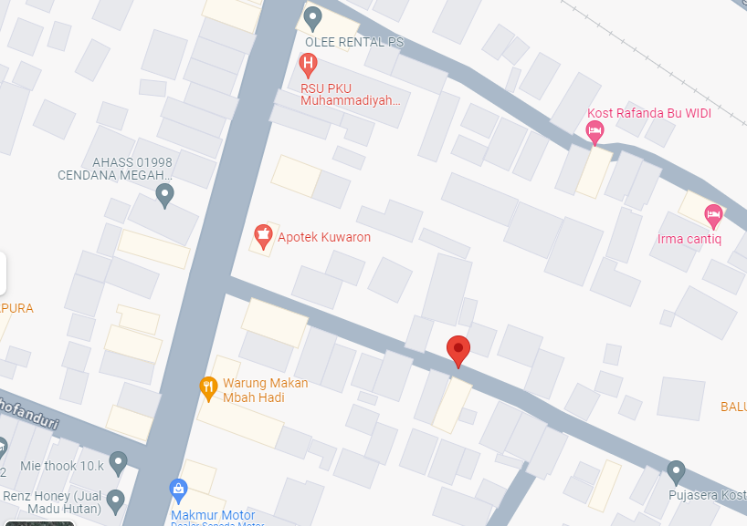
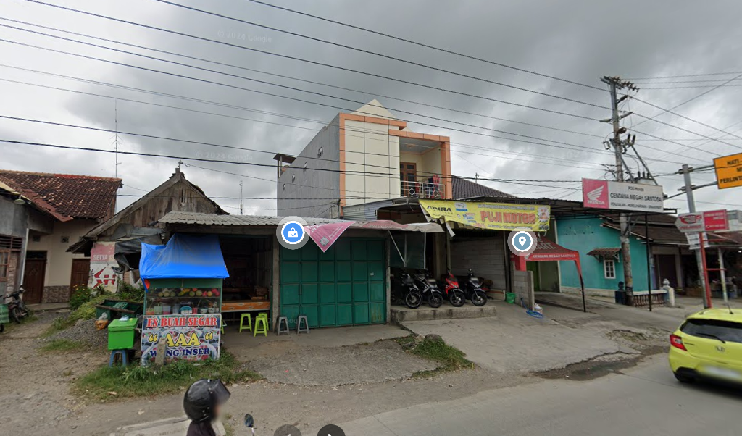
 |  |  |  |  | 2 | Tiang Besi
 |  |  |  |  | 3 | JTM 3 Fasa
 |  |  |  |  | 4 | JTM 1 Fasa
MGN01-93/4A/4
1 C12 350E
1 CC8AN
1 CM2-12
1 CM2-12A
2 CE1-3
2 F1-3
 |  |  |  |  | 5 | JTR 1 Fasa Only / UB
MGN01-93/4A/1
1 C12 350E
1 CC8
1 CM2-12
 |  |  |  |  | 6 | JTR 3 Fasa Only / UB
MGN03-355/2A (MGN06)
2 C12-350E
1 CC7 3M
1 CA-5
1 CM5-9
1 CM5-6
1 G313-A 250 KVA
1 CM2-12
3 CM2-11M
1 SR APP 3PH 197 KVA
500 AAAC 1X70mm2
50 NYY 1X150 mm2
2 PIPA PVC 6"
4 KNEE PIPA 6"
4 SPIRAL PRALON 6"
4 POLEBAND DR 10.5
4 POLEBAND DR 6.5
4 KABEL BEVESTEGGING 6" 8 SEPATU KABEL CU-CU 150 mm2
4 PAPAN PERINGATAN
4 PENGHALANG PANJAT
120 PENOMORAN TIAG
 |  |  |  |  | 7 | Trafo 1 Fasa
 |  |  |  |  | 8 | Trafo 3 Fasa
 |  |  |  |  | 9 | Fuse Cut Out
 |  |  |  |  | 10 | ABSW
MGN03-355/1 (MGN06)
2 CA-5
1 CM5-9
1 P12-C2
1 CC8-AN
1 CM5-9
1 CM2-12
1 CM2-12A
1 CE1-3
1 F1-3
 |  |  |  |  | 11 | Vang Net
 |  |  |  |  | 12 | Schoor
 |  |  |  |  | 13
MGN01-93/4A/5
1 C12 350E
1 CC11
1 CM2-12
MGN01-93/4A/6
1 C12 350E
1 CC11
1 CM2-12
 |  |  |  |  | Bongkar Pasang Konstruksi :
 |  |  |  |  | Pasang |  |  |  | Bongkar
 |  |  |  |  | C12-350E |  | BTG | 4 | CA-5 |  | U | 2
MGN01-93/4A/2
1 C12 350E
1 CC11
1 CM2-12
 |  |  |  |  | CC8-AN |  | U | 1 | CM5-9 |  | U | 1
A
 |  |  |  |  | CC2-A |  | U | 1 | SJ5 |  | U | 1
MGN03-355A (MGN06)
1 C12 350E
1 CC11
1 CC7
3 CM5-5
1 CM2-12
 |  |  |  |  | CC7 |  | U | 2 | C9-200E |  | BTG | 1
37 m
37 m
 |  |  |  |  | CC8-AN |  | U | 1 | SJ5 |  | U | 0
 |  |  |  |  | PAPAN PERINGATAN |  | U | 4 | SR 1PH |  | U | 4
 |  |  |  |  | CM5-6 |  | U | 1 | PJU |  | U | 0
 |  |  |  |  | CM2-12 |  | U | 4 | P12-C1 |  | U | 1
 |  |  |  |  | CM2-12A |  | U | 1 | CA-1 |  | U | 1
 |  |  |  |  | CE1-3 |  | U | 1 | CE1-2 |  | U | 1
APP
APP
 |  |  |  |  | F1-3 |  | U | 1
 |  |  |  |  | CM5-5 |  | U | 3
 |  |  |  |  | CM5-9 |  | U | 1
s
s
MGN01-93/4A/9
1 C12 350E
1 CC1-A
1 CM2-12
 |  |  |  |  | PENOMORAN TIANG |  | U | 120
 |  |  |  |  | CG313A 250 KVA |  | U | 1
s
s
 |  |  |  |  | CM2-11M |  | U | 3
 |  |  |  |  | AAAC 70 mm2 |  | M | 500
MGN01-93/4A/8
1 C12 350E
1 CC2-A
1 CM2-12
1 CM2-12A
1 CE1-3
1 F1-3
 |  |  |  |  | NYY 1X150 mm2 |  | M | 50
MGN03-355/1 (MGN06)
1 C9-200E
1 P12-C1
1 CA-1
1 SJ5
1 CE1-2
4 SR 1PH
1 C12-350E
1 CC2-A
1 CM2-12
1 SJ5
4 SR 1PH
MGN01-93/4A/10
1 C12 350E
1 CC1-A
1 CM2-12
 |  |  |  |  | APP 3P 197KVA |  | U | 1
MGN01-93/4A/13
1 C12 350E
1 CC1-A
1 CM2-12
APP
 |  |  |  |  | PENGHALANG PANJAT |  | U | 4
MGN01-56/4
1 C12 350
1 CC1-A
1 P12-C2
1 CM2-12
 |  |  |  |  | Keterangan Tambahan : -7.0608565,110.6669736

MGN01-93/4A/14
1 C12 350E
1 CC1-A
1 CM2-12
50 m
MGN01-93/4A/11
1 C12 350E
1 CC1-A
1 CM2-12
 |  |  |  |  | Golongan
 |  |  |  |  | No. Gambar |  | 1 |  |  | Lembar |  | dr
 |  |  |  |  | Gambar dari |  |  |  |  | Skala
MGN01-93/4A/15
1 C12 350E
1 CC8AN
1 CM2-12
1 CM2-12A
2 CE1-3
2 F1-3
 |  |  |  |  | Perihal:
MGN01-56/3
1 SJ5
3 SR 1PH
1 PJU
1 C12 350
1 CC1-A
1 CM2-12
 |  |  |  |  | RS PKU GUBUG
 |  |  |  |  | DS GUBUG

MGN01-93/4A/12
1 C12 350E
1 CC1-A
1 CM2-12
MGN01-56/3
1 RS9-100 DAN
1 SJ5
3 SR 1PH
1 PJU
50 m
 |  |  |  |  | Digambar |  | Staf Teknik
 |  |  |  |  | Diperiksa |  | TL. Teknik
 |  |  |  |  | Diketahui |  | Manager ULP
 |  |  |  |  | Disetujui |  | Man. Perencanaan

MGN01-56/1
1 CA-5
1 CM5-9
1 P12-C2
1 CC8-AN
1 CM5-9
1 CM2-12
1 CM2-12A
1 CE1-3
1 F1-3

66 m

50 m

DC MGN06-61 - MGN01-56
2 CC8A
1 CA3
3 SJ6
1 CA-5
1 CC7
2 CM5-5
1 CM2-12
4 CCO 70-70

PETA
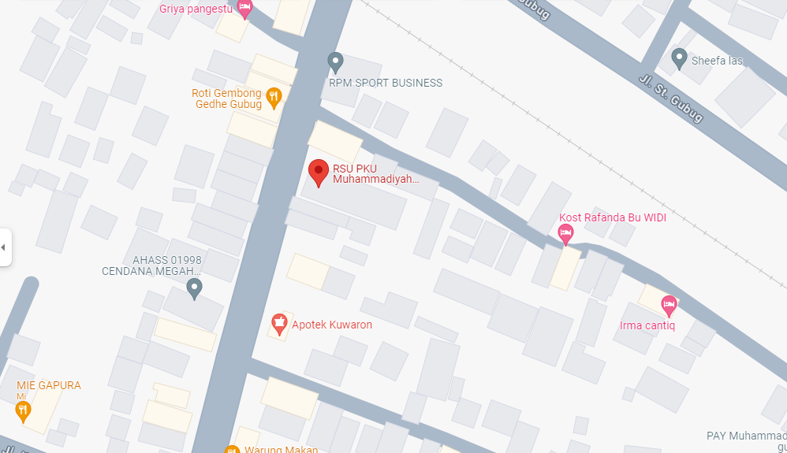
PETA LOKASI PELANGGAN

KOORDINAT LOKASI : -7.0608565,110.6669736

SLD
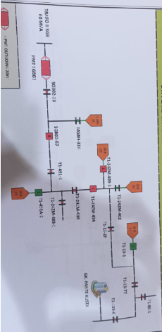
SINGLE LINE DIAGRAM LOKASI PELANGGAN

